Sheet1
https://www.fairprice.com.sg/
Test case: Layer UI NTUC Fairprice |  |  |  |  | Production |  | PASS
Scenario: User verify tab and label |  |  |  |  | Development |  | FAIL

ID | Feature | Description | Steps to execute | Expected result | Environtment | Actual Result | Pass/Fail | Date
1 | User open NTUC FairPrice Web | Check When using a correct addres | 1. Enter valid addres | User Succesfully open web and direct to home page | Production | User Succesfully open web and direct to home page | Pass | 2022-08-29
2 | User click promotion tab | Check when user click promotion tab and showing promotion list | 1.User click promotion tab | User Succesfully direct to promotion list | Production | User Succesfully direct to promotion list | Pass | 2022-08-29
3 | User verify PWP tab | Check if there is PWP tab exist | 1. User mouseover PWP tab | PWP tab exist | Production | PWP tab exist | Pass | 2022-08-29
4 | User verify Weekly Deals tab | Check if there is Weekly Deals tab | 1. User mouseover Weekly Deals tab | Weekly Deals tab exist | Production | Weekly Deals tab exist | Pass | 2022-08-29
5 | User verify Digital Club Exclusive tab | Check if there is Digital Club Exclusive tab | 1. User mouseover Digital Club Exclusive tab | Digital Club Exclusive tab exist | Production | Digital Club Exclusive tab exist | Pass | 2022-08-29
6 | User click all tab | Check when user click all tab and showing all list | 1. User click ALL tab | User Succesfully direct to ALL list | Production | User Succesfully direct to ALL list | Pass | 2022-08-29
7 | User click PWP tab | Check when user click PWP tab and showing all list | 1. User click PWP tab | User Succesfully direct to PWP list | Production | User Succesfully direct to PWP list | Pass | 2022-08-29
8 | User verify PWP label in list product | Check if there is PWP label exist in list product PWP tab | 1. User click PWP tab 2. User search all PWP label in product | PWP label is exist | Production | PWP label is exist | Pass | 2022-08-29
9 | User open NTUC FairPrice Web | Check When using a correct addres | 1. Enter incorrect address (https://www.fairprice.com.id/) | User can't open web and direct to home page | Production | User Succesfully open web and direct to home page | Fail | 2022-08-29
10 | User verify PWP tab is not visible | Check if PWP tab is not visible | 1. User mouseover PWP tab | PWP label is visible | Production | PWP label is not visible | Fail | 2022-08-29

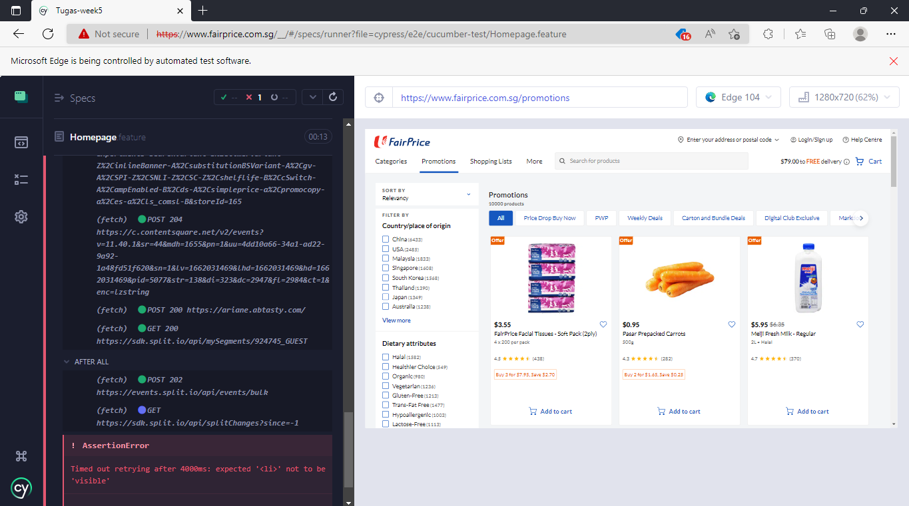
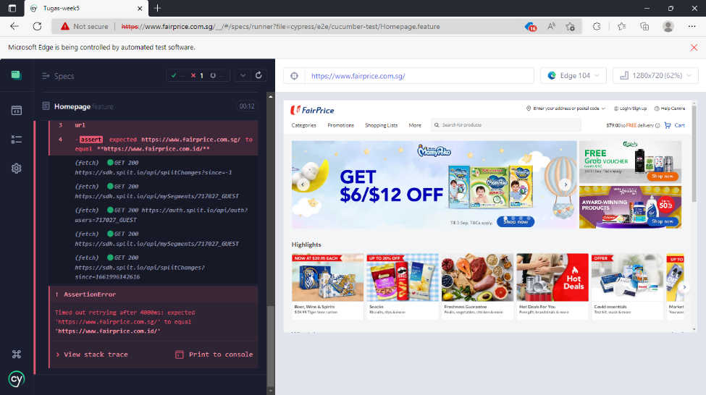

 | Screenshot fail test no. 10 |  |  | Screenshot fail test no. 9

